3 DAYS SALE banner bug
Център за обучение по софтуерно тестване Website: http://skillo-bg.com

Bug ID | PSB001
Name | 3 DAYS SALE banner doesn’t work when the user clicks it
Priority | P2
Severity | S2
Description | When the user clicks the 3 DAYS BANNER the site doesn’t redirect to the promotion
Steps to reproduce | 1. Go to http://automationpractice.com/index.php 2. Click 3 DAYS SALE banner Expected result: the site should redirects the user to the promotion Actual result: a new site is opened https://www.prestashop.com/en
Attachment | 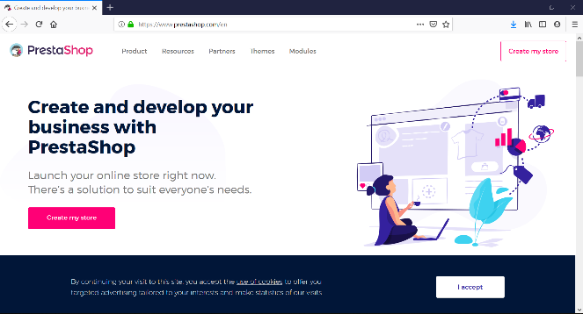 Created at 18:41 PM
Status | New/ To Do
Component | Promotion banner
Version/Build number (Found in) | v.3.3
Environment | Mozilla Firefox Version 67.0 (64-bit); Internet Explorer Version 11.765.17134.0
Comments
Date Created | 25.05.2019
Author | Svetla Lukanova
Audit Log | Svetla Lukanova created the bug on 25.05.2019

Follow us on Facebook BUG
Център за обучение по софтуерно тестване Website: http://skillo-bg.com

Bug ID | PSB003
Name | Follow us on Facebook button doesn’t work
Priority | P3
Severity | S3
Description | After the user clicks "Follow us on Facebook" button it doesn’t go to the site on facebook
Steps to reproduce | 1. Go to http://automationpractice.com/index.php 2. Click "Follow us on Facebook" Expected result: the user is redirected to the site's facebook homepage Actual result: the user is redirected to facebook group called Selenium Framework
Attachment | 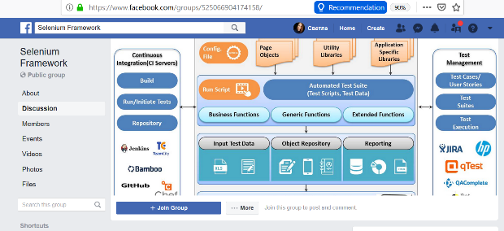 Created at 19:51 PM, EEST UTC/GMT +3 hours
Status | New/ To Do
Component | Follow us on Facebook button
Version/Build number (Found in) | v.3.3
Environment | Mozilla Firefox Version 67; IE11
Comments | The same bug is with Twitter and YouTube buttons
Date Created | 27.05.2019
Author | Svetla Lukanova
Audit Log | Svetla Lukanova created the bug on 27.05.2019

Search option BUG
Център за обучение по софтуерно тестване Website: http://skillo-bg.com

Bug ID | PSB004
Name | Search option doesn't work properly
Priority | P1
Severity | S1
Description | Search option shows results that are not defined
Steps to reproduce | 1. Go to http://automationpractice.com/index.php 2. Write dress on the search opion Expected result: Dress results are shown Actual result: Dress, T-Shirt, Skirt and Blouse resilts are shown
Attachment | 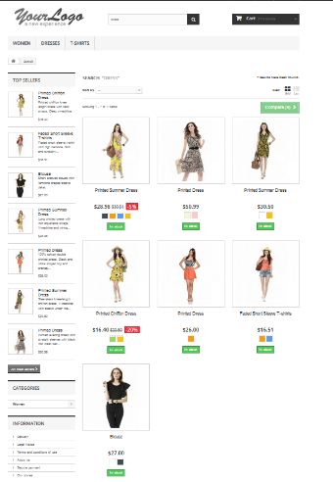 Created at 20:15 PM, EEST UTC/GMT +3 hours
Status | New/ To Do
Component | Search option
Version/Build number (Found in) | v.3.3
Environment | Mozilla Firefox Version 67; IE11
Comments
Date Created | 27.05.2019
Author | Svetla Lukanova
Audit Log | Svetla Lukanova created the bug on 27.05.2019

Sale 70% off banner BUG
Център за обучение по софтуерно тестване Website: http://skillo-bg.com

Bug ID | PSB005
Name | "Sale 70% off all products" banner is not awailable
Priority | P3
Severity | S3
Description | When the user clicks the "Sale 70% off all products" banner the site doesn’t redirect to the promotion
Steps to reproduce | 1. Go to http://automationpractice.com/index.php 2. Click "Sale 70% off all products" banner Expected result: the site should redirects the user to the promotion Actual result: homepage is opened again
Attachment |  Created at 20:55 PM, EEST UTC/GMT +3 hours
Status | New/ To Do
Component | More tabs
Version/Build number (Found in) | v.3.3
Environment | Mozilla Firefox Version 67; IE11
Comments
Date Created | 27.05.2019
Author | Svetla Lukanova
Audit Log | Svetla Lukanova created the bug on 27.05.2019

